Sheet1
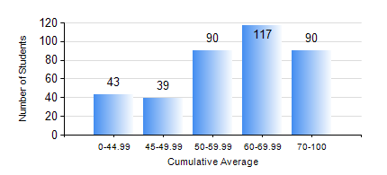
 |  |  | KWAME NKRUMAH UNIVERSITY OF SCIENCE AND TECHNOLOGY, KUMASI Department of Electrical/Electronic Engineering

 |  |  | BSC. ELECTRICAL/ELECTRONIC ENG.

 |  |  | COMPREHENSIVE RECORD OF EXAMINATION RESULTS

 |  |  | RESULTS OF YEAR 1 FIRST SEMESTER, 2024/2025 ACADEMIC YEAR

 | Sn | Course Code |  | Course Name | Credit Hours | Min. Mark | Max. Mark | Avg. Mark | Std. Dev. | No. Passed | No. Trailed | No. (Df) | No. (I) | No. (I*) | No. Tagged(I,I*,Df) | Total
 | 1. | EE 151 |  | APPLIED ELECTRICITY | 3 | 0 | 94 | 52 | 18.23 | 304 | 75 | 0 | 0 | 0 | 0 | 379
 | 2. | EE 153 |  | ELECTRICAL ENGINEERING TECHNOLOGY WITH MATLAB | 2 | 0 | 95 | 69 | 16.02 | 368 | 11 | 0 | 0 | 0 | 0 | 379
 | 3. | EE 161 |  | TRANSFORMERS | 2 | 0 | 94 | 51 | 23.55 | 275 | 104 | 0 | 0 | 0 | 0 | 379
 | 4. | EE 167 |  | OCCUPATIONAL HEALTH AND SAFETY | 2 | 0 | 90 | 73 | 13.94 | 368 | 11 | 0 | 0 | 0 | 0 | 379
 | 5. | ENGL 157 |  | COMMUNICATION SKILLS I | 2 | 0 | 96 | 75 | 16.23 | 367 | 11 | 0 | 0 | 0 | 0 | 378
 | 6. | MATH 151 |  | ALGEBRA | 4 | 0 | 97 | 50 | 17.58 | 264 | 114 | 0 | 1 | 0 | 1 | 379
 | 7. | ME 161 |  | BASIC MECHANICS | 3 | 0 | 99 | 62 | 21.43 | 347 | 31 | 0 | 1 | 0 | 1 | 379

